Radiator Sizing

 |  |  | Radiator Sizing |  |  | Sq Ft |  |  | Tube Type Radiator
Radiator | Height | Tubes | Columns | # Sections | Multiplier | per Rad | Height | 3 Tube | 4 Tube | 5 Tube | 6 Tube | 7 Tube
1. |  |  |  |  |  | 0 | 14 | --- | --- | --- | --- | 2-1/2
2. |  |  |  |  |  | 0 | 17 | --- | --- | --- | --- | 3
3. |  |  |  |  |  | 0 | 20 | 1-3/4 | 2-1/4 | 2-2/3 | 3 | 3-2/3
4. |  |  |  |  |  | 0 | 23 | 2 | 2-1/2 | 3 | 3-1/2 | --- | How it work's:
5. |  |  |  |  |  | 0 | 26 | 2-1/3 | 2-3/4 | 3-1/2 | 4 | 4-3/4 | 1. Print the form and record the radiator information
6. |  |  |  |  |  | 0 | 32 | 3 | 3-1/2 | 4-1/3 | 5 | --- | and uninsulated pipes lengths
7. |  |  |  |  |  | 0 | 38 | 3-1/2 | 4-1/4 | 5 | 6 | --- | Link to form
8. |  |  |  |  |  | 0 |  |  |  |  |  |  | http://www.comfort-calc.com/allpages/PDF_Files/Steam_Radiator_Form.pdf
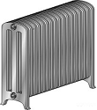
9. |  |  |  |  |  | 0 |  |  | Column Type Radiator |  |  | 13" Wide | 2. Enter the radiator information on the form on the left in
10. |  |  |  |  |  | 0 | Height | 1 Column | 2 Column | 3 Column | 4 Column | Window | the green rectangles
11. |  |  |  |  |  | 0 | 13 | --- | --- | --- | --- | 3 | 3. The total sq. ft. of steam required will show at the
12. |  |  |  |  |  | 0 | 16 | --- | --- | --- | --- | 3-3/4 | bottom of the form.
13. |  |  |  |  |  | 0 | 18 | --- | --- | 2-1/4 | 3 | 4-1/4 | 4. If needed, click the Extra Calculation Sheet tab on the
14. |  |  |  |  |  | 0 | 20 | 1-1/2 | 2 | --- | --- | 5 | bottom of this sheet
15. |  |  |  |  |  | 0 | 22 | --- | --- | 3 | 4 | --- | 5. If there are un-insulated steam mains click on the
16. |  |  |  |  |  | 0 | 23 | 1-2/3 | 2-1/3 | --- | --- | --- | uninsulated steam main button below and add the lineal
17. |  |  |  |  |  | 0 | 26 | 2 | 2-2/3 | 3-3/4 | 5 | --- | feet of uninsulated steam main in the appropriate pipe
18. |  |  |  |  |  | 0 | 32 | 2-1/2 | 3-1/3 | 4-1/2 | 6-1/2 | --- | size glreen boxes
19. |  |  |  |  |  | 0 | 38 | 3 | 4 | 5 | 8 | --- | 6. All three sheets will be totaled on the "Total Square
20. |  |  |  |  |  | 0 | 45 | --- | 5 | 6 | 10 | --- | Feet Radiation" on this sheet
21. |  |  |  |  |  | 0 |  |  |  |  |  |  | 7. Use this number, choose a steam boiler manufacturer
22. |  |  |  |  |  | 0 |  |  | Cast Iron Baseboard |  |  |  | and choose a steam boiler using the sq. ft. of
23. |  |  |  |  |  | 0 | 3.4 Sq Ft per Lineal Foot |  |  |  |  |  | steam from the boiler spec. sheet.
24. |  |  |  |  |  | 0 | Insert Length in # Section Column and 3.4 in Multiplier Column |  |  |  |  |  | 8. Do not add any pick-up factor as this is included at
25. |  |  |  |  |  | 0 |  |  |  |  |  |  | 15% already
26. |  |  |  |  |  | 0 | This calculation is for residential applications only. |  |  |  |  |  | 9. The exception to the pick-up factor rule is if the steam
28. |  |  |  |  |  | 0 |  |  |  |  |  |  | mains run in an unconditioned crawl space or similar
29. |  |  |  |  |  | 0 |  |  |  |  |  |  | situation
30. |  |  |  |  |  | 0
31. |  |  |  |  |  | 0
32. |  |  |  |  |  | 0
 |  |  |  | Total Sq. Ft. Radiation |  | 0.0

Uninsulated Steam Mains
Losses from uninsulated steam mains

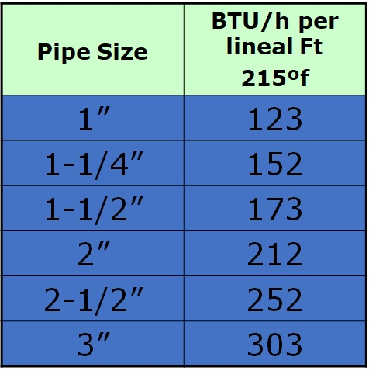
 | Insert the length of uninsulated mains by pipe size

 |  |  | Totals By Pipe Size
 | 1" Pipe |  | 0

 | 1-1/4" Pipe |  | 0

 | 1-1/2" Pipe |  | 0

 | 2" Pipe |  | 0

 | 2-1/2" Pipe |  | 0

 | 3" Pipe |  | 0

 |  | Total Loss | 0 | BTU's

 |  |  | 0 | Sq.FT Steam

